RESEARCH QUESTIONS
NAME: JULIANA OLUWASEUN AJAYI
PROJECT TITLE: URBAN BUILDING STRUCTURE
INTRODUCTION: The Urban Building Structure Classification Dataset is designed to support research in urban planning and spatial analysis. It contains data on 1000 buildings with both numerical and categorical features. This dataset aims to assist in classifying urban buildings based on structural, geographical, and land-use characteristics. It is ideal for developing and testing machine learning models for urban infrastructure analysis, building classification, and zoning optimization.
Purpose
The overarching aim of this project is to analyze urban building structures using quantitative data (height, footprint area, and number of floors) to understand spatial patterns, structural characteristics, and their implications for sustainable urban planning and development.
OBJECTIVES
1. To examine the extent to which the number of floors and footprint area can be used to predict building height using regression analysis.
2. To assess the relationship between distance from the city center and building density, determining whether proximity significantly influences density patterns.
3. To evaluate differences in footprint area across building functions and identify which functions are associated with larger or smaller footprints.
4. To analyze the distribution of construction materials across residential and industrial land use types, identifying the most commonly used materials in each category.
5. To compare average building heights across zoning classifications and determine whether zoning regulations influence vertical development.
RESERACH QUESTIONS
1. How does the number of floors and footprint area predict building height?
2. Does distance from the city center significantly influence building density?
3. Is building function associated with differences in footprint area?
4. Which construction materials are most commonly used in residential vs. industrial land use types?
5. How do average building heights differ across zoning classifications?

REGRESSION ANALYSIS
QUESTION ONE

SUMMARY OUTPUT

Height and Floor vs Footprints
Regression Statistics
Multiple R | 0.020584659352
R Square | 0.00042372820062
Adjusted R Square | -0.0015814398471
Standard Error | 55.136787344
Observations | 1000

ANOVA
 | df | SS | MS | F | Significance F
Regression | 2 | 1284.8413465 | 642.42067326 | 0.21131804943 | 0.80955280822
Residual | 997 | 3030945.1227 | 3040.0653186
Total | 999 | 3032229.964

 | Coefficients | Standard Error | t Stat | P-value | Lower 95% | Upper 95% | Lower 95.0% | Upper 95.0%
Intercept | 103.20893328 | 4.6994359349 | 21.961983249 | 1.6490776812E-87 | 93.987012865 | 112.4308537 | 93.987012865 | 112.4308537
Footprint Area (sq.m) | 0.00044968985244 | 0.0012354767775 | 0.36398082153 | 0.71594950386 | -0.0019747433516 | 0.0028741230565 | -0.0019747433516 | 0.0028741230565
Num. of Floors | 0.065674686731 | 0.12435368577 | 0.52812818797 | 0.59752789298 | -0.17835030048 | 0.30969967394 | -0.17835030048 | 0.30969967394

QUESTION TWO

City Centre Distance vs Building Density
 | 0 | 0 |  |  | 0
Coefficients | 54.512596614 | -0.26673278972
Standard Error | 1.8014173395 | 0.15744044781
t Stat | 30.260948097 | -1.6941821078
P-value | 2.9519429519E-143 | 0.090542689073
Lower 95% | 50.977596383 | -0.57568508362
Upper 95% | 58.047596844 | 0.042219504174
Lower 95.0% | 50.977596383 | -0.57568508362
Upper 95.0% | 58.047596844 | 0.042219504174
SUMMARY OUTPUT

Regression Statistics
Multiple R | 0.053551445733
R Square | 0.0028677573401
Adjusted R Square | 0.0018686268364
Standard Error | 27.403702364
Observations | 1000

ANOVA
 | df | SS | MS | F | Significance F
Regression | 1 | 2155.4535369 | 2155.4535369 | 2.8702530145 | 0.090542689073
Residual | 998 | 749460.97746 | 750.96290327
Total | 999 | 751616.431

 | Coefficients | Standard Error | t Stat | P-value | Lower 95% | Upper 95% | Lower 95.0% | Upper 95.0%
Intercept | 54.512596614 | 1.8014173395 | 30.260948097 | 2.9519429519E-143 | 50.977596383 | 58.047596844 | 50.977596383 | 58.047596844
Distance to City Center (km) | -0.26673278972 | 0.15744044781 | -1.6941821078 | 0.090542689073 | -0.57568508362 | 0.042219504174 | -0.57568508362 | 0.042219504174

QUESTION THREE

SUMMARY OUTPUT

Regression Statistics
Multiple R | 0.062646565889
R Square | 0.0039245922177
Adjusted R Square | -7.9731029619E-05
Standard Error | 1412.5892735
Observations | 1000

ANOVA
 | df | SS | MS | F | Significance F
Regression | 4 | 7822709.6186 | 1955677.4046 | 0.9800887629 | 0.41741306977
Residual | 995 | 1985431413.2 | 1995408.4555
Total | 999 | 1993254122.9

 | Coefficients | Standard Error | t Stat | P-value | Lower 95% | Upper 95% | Lower 95.0% | Upper 95.0%
Intercept | 2621.5520833 | 101.94484966 | 25.71539506 | 3.1577463098E-112 | 2421.5005026 | 2821.6036641 | 2421.5005026 | 2821.6036641
Industrial | -208.86730072 | 145.73044824 | -1.4332440698 | 0.15210223095 | -494.84159597 | 77.106994517 | -494.84159597 | 77.106994517
Residential | -15.144500395 | 140.88883733 | -0.10749255003 | 0.91441990538 | -291.61785548 | 261.32885469 | -291.61785548 | 261.32885469
Commercial | 47.09077381 | 141.04856397 | 0.33386212864 | 0.73855394725 | -229.69602102 | 323.87756864 | -229.69602102 | 323.87756864
Mixed Use | -97.882132594 | 142.2053117 | -0.68831558698 | 0.4914145092 | -376.93887252 | 181.17460733 | -376.93887252 | 181.17460733

PIVOT ANALYSIS
Count of Construction Material | Column Labels
Row Labels | Agricultural | Commercial | Industrial | Residential | Grand Total
Brick | 61 | 53 | 51 | 74 | 239
Concrete | 37 | 41 | 46 | 55 | 179
Glass | 55 | 45 | 49 | 51 | 200
Steel | 47 | 39 | 39 | 63 | 188
Wood | 42 | 41 | 54 | 57 | 194
Grand Total | 242 | 219 | 239 | 300 | 1000

QUESTION FIVE
Height vs Zoning Classification
Row Labels | Average of Height (m)
Commercial Zone | 102.47297297
Industrial Zone | 108.66296296
Mixed-Use Zone | 104.16194332
Residential Zone | 107.96168582
Grand Total | 105.994

INTERPRETATION
QUESTION 1
R Square = 0.000424 → The model explains less than 0.05% of the variance in the dependent variable. In other words, the predictors (Footprint and Number of Floors) do not meaningfully explain the outcome.
Adjusted R Square = -0.00158 → Negative adjusted R² confirms the model performs worse than simply using the mean of the dependent variable.
Standard Error = 55.14 → The average prediction error is quite large relative to the coefficients.
ANOVA (Model Significance)
F-statistic = 0.211 with p-value = 0.81 → The regression model is not statistically significant. This means the predictors, taken together, do not improve prediction compared to a model with no predictors.
Coefficients
Interpretation
Intercept 103.21 Highly significant. The baseline value of the dependent variable when predictors = 0 is about 103.
Footprint 0.000450.716 Not significant. The effect of Footprint on the outcome is negligible and statistically unreliable.
Number of Floors 0.06570.598 Not significant. No evidence that this variable influences the outcome.
Confidence intervals for both predictors include zero, reinforcing that their effects are not meaningful.
Overall Interpretation
The regression model is very weak: it does not explain the variation in the dependent variable.
Neither Footprint nor Number of Floors are statistically significant predictors.
The only reliable estimate is the intercept, suggesting the dependent variable averages around 103 regardless of the predictors.
QUESTION 2
R² = 0.0029 → Distance from the city center explains less than 0.3% of the variation in building density. The model has almost no explanatory power.
Adjusted R² ≈ 0.0019 → Confirms the weak fit.
ANOVA
F-statistic = 2.87, p = 0.091 → The overall regression is not statistically significant at the 5% level. At best, it’s marginally close to significance at the 10% level.
Coefficients
Intercept = 54.51 (p < 0.001) → Average building density near the city center is about 54 units.
Distance coefficient = -0.267 (p = 0.091) → Suggests that density decreases slightly as distance increases, but the effect is not statistically significant at the conventional 5% threshold.
The confidence interval (-0.576 to +0.042) includes zero, reinforcing uncertainty.
Conclusion
There is weak evidence that building density decreases with distance from the city center, but the effect is not strong enough to be statistically significant.
QUESTION 3
R² = 0.0039 → Building function explains less than 0.4% of the variation in footprint area. The model has almost no explanatory power.
Adjusted R² ≈ 0 → Confirms the weak fit.
ANOVA
F-statistic = 0.98, p = 0.417 → The overall regression is not statistically significant. Building function, taken as a whole, does not explain differences in footprint area.
Coefficients
Intercept = 2621.55 (p < 0.001) → Average footprint area for the baseline category
Industrial = -208.87 (p = 0.152) → Slightly smaller footprint than baseline, but not significant.
Residential = -15.14 (p = 0.914) → Almost identical to baseline, not significant.
Commercial = +47.09 (p = 0.739) → Slightly larger footprint than baseline, but not significant.
Mixed Use = -97.88 (p = 0.491) → Slightly smaller footprint than baseline, but not significant.
None of the building function categories differ significantly from the baseline. The confidence intervals for all coefficients include zero, reinforcing that the differences are not meaningful.
Conclusion
Building function is not associated with significant differences in footprint area in this dataset.
The regression model shows that footprint area is essentially the same across Industrial, Residential, Commercial, and Mixed Use categories.
QUESTION 4
Residential Land Use
Brick = 74 → Most common material in residential buildings.
Steel = 63 → Second most common.
Wood = 57 → Also widely used.
Concrete = 55 and Glass = 51 → Used frequently but less than Brick/Steel/Wood.
Brick dominates residential construction, with Steel and Wood also playing major roles.
Industrial Land Use
Wood = 54 → Most common material in industrial buildings.
Brick = 51 and Glass = 49 → Close behind.
Concrete = 46 and Steel = 39 → Used but less dominant.
Wood is the leading material in industrial construction, followed by Brick and Glass.
Overall Comparison
Residential: Brick is the standout material.
Industrial: Wood is most common.
Both land use types rely on a mix of Brick, Glass, and Concrete, but the dominant material differs: Brick for Residential, Wood for Industrial.
QUESTION 5
Average Heights by Zone
Industrial Zone → 108.66 Tallest average buildings, slightly higher than other zones.
Residential Zone → 107.96 Nearly as tall as Industrial, showing dense vertical development.
Mixed-Use Zone → 104.16 Moderate average height, combining residential and commercial functions.
Commercial Zone → 102.47 Lowest average height among the zones, though still above 100.
Overall, across all zones, the average building height is about 106.
Interpretation
Industrial and Residential zones have the tallest average buildings, suggesting vertical expansion in areas of production and housing.
Mixed-Use zones are slightly shorter, likely reflecting a balance between residential and commercial needs.
Commercial zones have the lowest average height, which may indicate more spread-out structures (e.g., shopping complexes, offices) rather than high-rise towers.

EXECUTIVE SUMMARY
EXECUTIVE SUMMARY
INTRODUCTION
Urban development is shaped by the interaction of building characteristics, zoning regulations, and land use patterns. Understanding these relationships is crucial for planners, architects, and policymakers to make informed decisions about infrastructure, sustainability, and resource allocation. This project explores the Urban Building Structure Dataset to analyze how building density, footprint area, construction materials, and heights vary across different contexts.
BACKGROUND STUDY
Cities are complex systems where land use types (residential, industrial, commercial, agricultural) and zoning classifications influence building design and material choice. Previous studies highlight that distance from the city center often affects density, while zoning laws dictate height restrictions and material preferences. However, empirical evidence is needed to confirm these associations in specific datasets. This project provides a data‑driven approach to test these relationships.
METHOD USED
1. Data Preparation: Cleaned the dataset, standardized categories, and created dummy variables for categorical predictors.
2. Regression Analysis:
Tested whether distance from the city center predicts building density.
Examined footprint area differences across building functions.
3. Pivot Tables:
Counted construction materials by land use type.
Calculated average building heights across zoning classifications.
Visualization: Scatter plots, clustered bar charts, and column charts were used to make findings clear.
FINDINGS
1. Distance vs. Density: Weak, non‑significant negative relationship; distance explains less than 1% of density variation.
2. Building Function vs. Footprint Area: No significant differences; footprint areas are broadly similar across functions.
3. Materials by Land Use:
Residential → Brick is most common, followed by Steel and Wood.
Industrial → Wood dominates, with Brick and Glass also frequent.
4. Average Heights by Zoning:
Industrial (108.7) and Residential (108.0) zones have the tallest average buildings.
Mixed‑Use (104.2) and Commercial (102.5) zones are slightly shorter.
INTERPRETATION
1. Density: Distance alone does not explain building density; other factors (zoning, population, policy) are more influential.
2. Footprint Area: Building function does not strongly determine footprint size, suggesting flexibility in design across uses.
3. Materials: Clear differences exist — Brick dominates residential construction, while Wood is most common in industrial areas.
4. Heights: Zoning influences building height, with industrial and residential zones tending toward taller structures.
CONCLUSION
The overarching purpose of this project was to examine how urban building characteristics such as density, footprint area, construction materials, and height relate to land use types, zoning classifications, and spatial context.
Through regression analysis, pivot tables, and comparative summaries, the study revealed that while distance from the city center does not significantly influence building density, zoning and land use patterns play a more decisive role in shaping building form.
Key insights showed that Brick is the dominant material in residential construction, while Wood is most common in industrial areas, highlighting distinct material preferences across land uses. Average building heights also varied by zoning, with industrial and residential zones supporting taller structures, while commercial and mixed-use zones tended toward shorter averages. These findings emphasize that zoning regulations and land use functions are stronger determinants of urban form than geographic distance alone.
Ultimately, the project demonstrates the value of data-driven analysis in urban planning. By integrating statistical methods with pivot-based summaries, planners and policymakers can better understand construction trends, anticipate infrastructure needs, and make informed decisions that balance growth, sustainability, and resource allocation.
RECOMMENDATIONS
1.Urban Planning: Focus on zoning and policy rather than distance when managing density.
2.Material Procurement: Prioritize Brick for residential projects and Wood for industrial developments.
3.Infrastructure Support: Taller buildings in industrial and residential zones require stronger transport and utility systems.
4.Further Research: Incorporate additional variables (economic activity, population density, regulatory frameworks) to strengthen explanatory models.

DASHBOARD

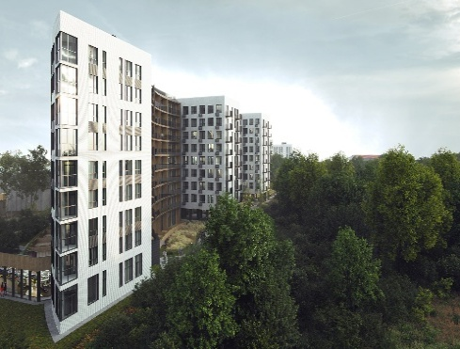
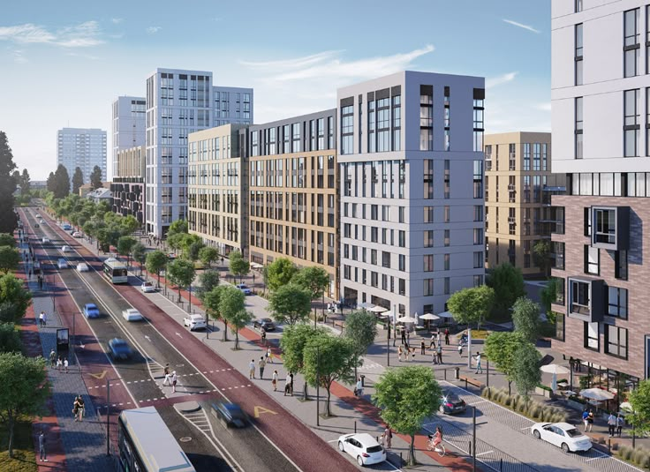
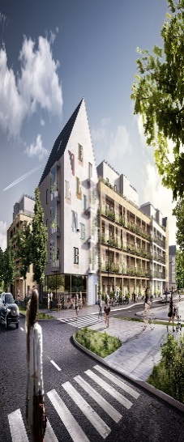

Height vs Floors and Footprints
 | Footprint Area (sq.m) | Num. of Floors
103.2089333 | 0.00044968985244 | 0.065674686731
4.699435935 | 0.0012354767775 | 0.12435368577
21.96198325 | 0.36398082153 | 0.52812818797
1.64908E-87 | 0.71594950386 | 0.59752789298
93.98701287 | -0.0019747433516 | -0.17835030048
112.4308537 | 0.0028741230565 | 0.30969967394
93.98701287 | -0.0019747433516 | -0.17835030048
112.4308537 | 0.0028741230565 | 0.30969967394
City Centre Distance vs Building Density
 | 0 | 0 |  |  | 0
Coefficients | 54.512596614 | -0.26673278972
Standard Error | 1.8014173395 | 0.15744044781
t Stat | 30.260948097 | -1.6941821078
P-value | 2.9519429519E-143 | 0.090542689073
Lower 95% | 50.977596383 | -0.57568508362
Upper 95% | 58.047596844 | 0.042219504174
Lower 95.0% | 50.977596383 | -0.57568508362
Upper 95.0% | 58.047596844 | 0.042219504174
Height vs Zoning Classification
 | Total
Commercial Zone | 102.47297297
Industrial Zone | 108.66296296
Mixed-Use Zone | 104.16194332
Residential Zone | 107.96168582
 | Agricultural | Commercial | Industrial | Residential
Brick | 61 | 53 | 51 | 74
Concrete | 37 | 41 | 46 | 55
Glass | 55 | 45 | 49 | 51
Steel | 47 | 39 | 39 | 63
Wood | 42 | 41 | 54 | 57
v
Urban Building
Structure Dashboard

